pbAGCS
2021-05-01 | Achitecting Google Cloud Solutions - Victor Dantas - April 2021 - 472 pages
 | git clone https://github.com/PacktPublishing/Architecting-Google-Cloud-Solutions.git
MacBook | webdev>github.com>mstudham>agcsd |  |  | (agcsd = downloaded code)
Toshiba | webdev>github.com>mstudham>agcsd

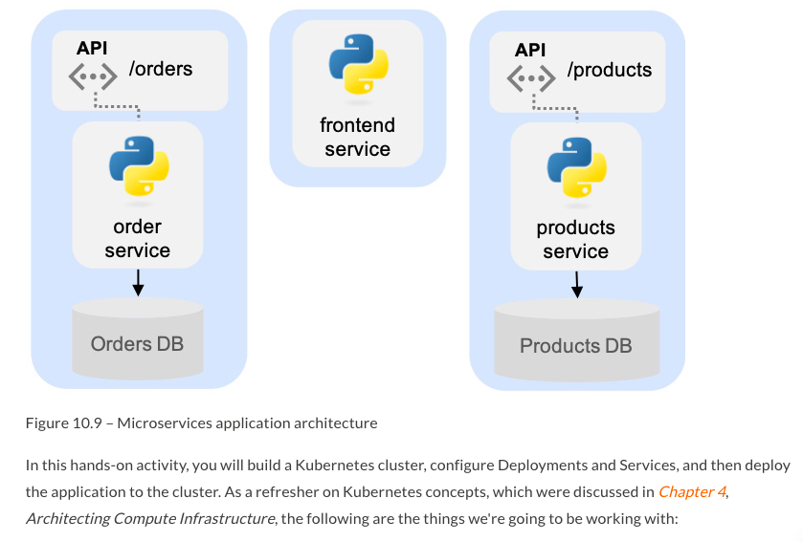
pbAGCSc10u4

pbAGCSc10u4

pbAGCSs1 | Section 1: Introduction to Google Cloud
pbAGCSs1c1u1 | Chapter 1: An Introduction to Google Cloud for Architects
pbAGCSs1c1u2 | Technical requirements
 |  | https://bit.ly/3bYNoEv
pbAGCSs1c1u3 | Understanding the motivations and economics of cloud computing
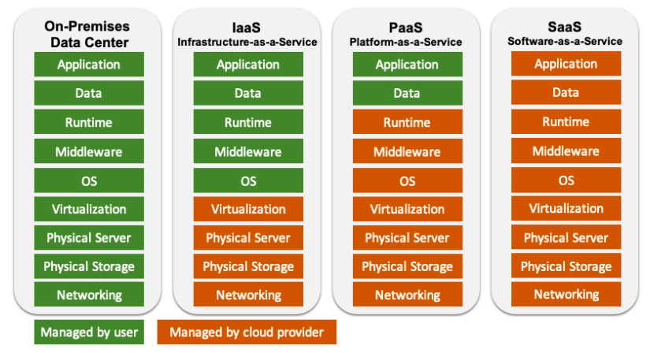

pbAGCSs1c1u4 | Making the business case for cloud adoption (and Google Cloud)
pbAGCSs1c1u5 | Learning about Google Cloud's key differentiators – big data and AI
 |  | https://cloud.google.com/anthos#section-1

pbAGCSs1c1u6 | Getting an overview of Google Cloud
 |  | Most regions have three or more zones, which are specified with a letter suffix added to the region name.
 |  | For example, region us-east4 has three zones: us-east4-a, us-east4-b, and us-east4-c.

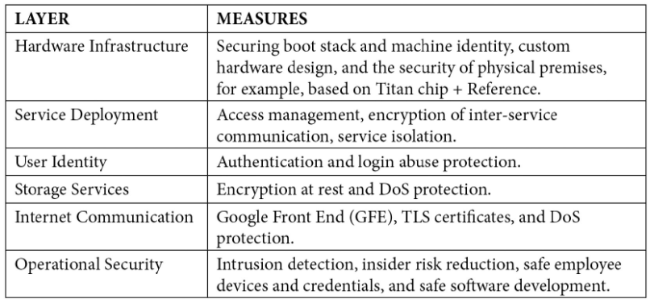

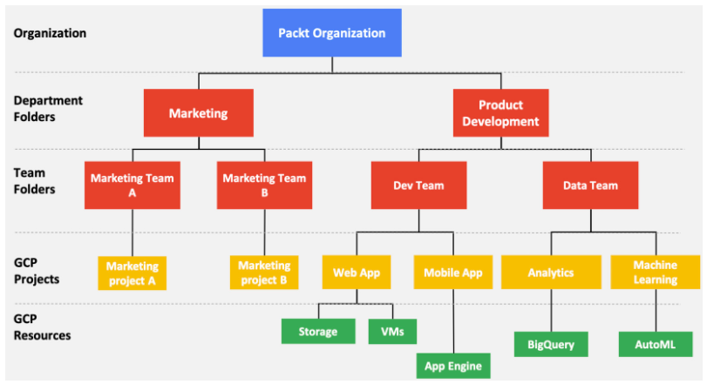
 |  | IAM - Identity and Access Management

pbAGCSs1c1u7 | Getting started with Google Cloud Platform
 |  | https://console.cloud.google.com/

 |  | https://cloud.google.com/sdk/install
 |  | $ gcloud init
 |  | $ gcloud config list
 |  | $ gcloud compute instances --help

pbAGCSs1c1u7 | Summary
pbAGCSs1c2u1 | Chapter 2: Mastering the Basics of Google Cloud
 |  | you will complete a hands-on assignment based on a case study of a fictional start - up.
pbAGCSs1c2u2 | Technical requirements
 |  | https://bit.ly/388Ay5q
pbAGCSs1c2u3 | Understanding IAM
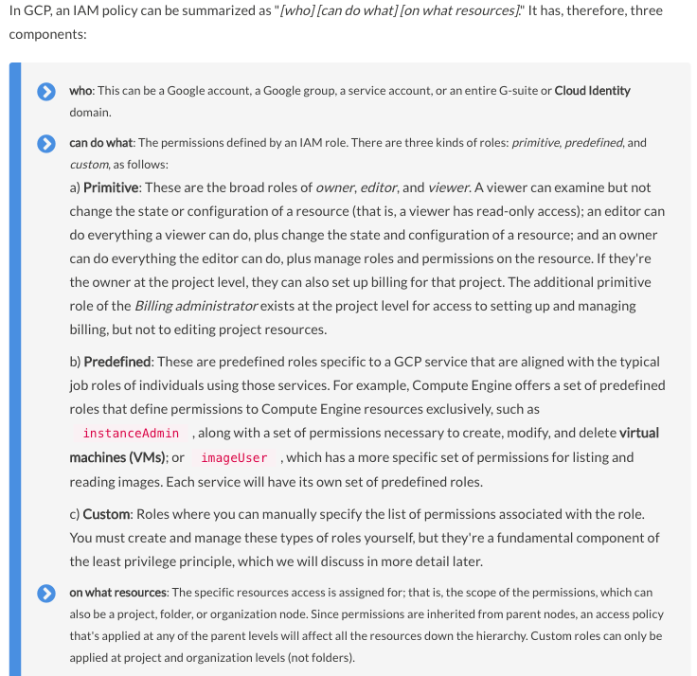

 |  | Cloud Identity is Google's Identity-as-a-Service (IdaaS) solution for centrally managing users and groups.
 |  | Cloud Identity provides user authentication as Single Sign-On (SSO) and Multi-Factor Authentication (MFA).
 |  | https://cloud.google.com/identity/docs/editions

pbAGCSs1c2u4 | Practicing the cost discipline on Google Cloud
pbAGCSs1c2u5 | Getting hands-on – a case study
 |  | https://cloud.google.com/appengine/docs/standard/python/roles#predefined_roles
 |  |  | NEED TO COME BACK HERE AND FOLLOW STEP BY STEP
pbAGCSs1c2u6 | Summary
pbAGCSs2 | Section 2: Designing Great Solutions in Google Cloud
pbAGCSs2c3u1 | Chapter 3: Designing the Network
 |  | virtual private cloud (VPC)
pbAGCSs2c3u2 | Technical requirements
 |  | https://bit.ly/3c3CVYn
pbAGCSs2c3u3 | Designing networks and subnetworks

pbAGCSs3 | Section 3: Designing for the Modern Enterprise
pbAGCSs3c10u1 | Chapter 10: Re-Architecting with Microservices
 |  | Site Reliability Engineering (SRE)
pbAGCSs3c10u2 | Technical requirements
 |  | https://bit.ly/2MONxlk
 |  | https://github.com/PacktPublishing/Architecting-Google-Cloud-Solutions/tree/master/ch10
pbAGCSs3c10u3 | Understanding microservices and when to adopt them
2021-05-02 |  | In this architecture, when a user places an order, a series of API calls happen to each affected service.
 |  | The catalog service is requested to check and confirm whether the ordered products are available.
 |  | The payment service is called to process and validate the payment.
 |  | The order service processes the order and updates the order status to "confirmed".
 |  | A request for shipment is placed on the shipping service.
 |  | The catalog service updates the inventory accordingly.
 |  | When the user requests the order status, the order service and the shipping service can be queried
 |  | for order and shipping status, respectively.
 |  | Basing microservices on frontend, backend, and database achieves very little.
 |  | isolate services that provide shared functionality
 |  |  | an authentication service that centralizes all authentication functions
 |  |  | a reporting service that performs all the reporting.
 |  | Possibly group services by categories such as "frontend services,", "backend services," or "utility services."
 |  | Decomposing an application improves individual component complexity
 |  | at the expense of greater overall system complexity.
 |  | A microservice should operate on its own and not depend on other services to do its work and function properly.
 |  | A microservice may need to know about another service's state, but neither affect it
 |  | nor depend on it to execute its domain logic.
 |  | When two individuals are talking face to face with each other, the communication is synchronous.
 |  |  | Once the first individual stops talking, they expect the second to respond more or less immediately after.
 |  | When texting or sending an email, the communication is asynchronous.
 |  |  | One individual sends a message to another but doesn't expect an immediate answer
 |  |  | – or, for that matter, that the other party is ready to read it.
 |  | The saga pattern - a long running story
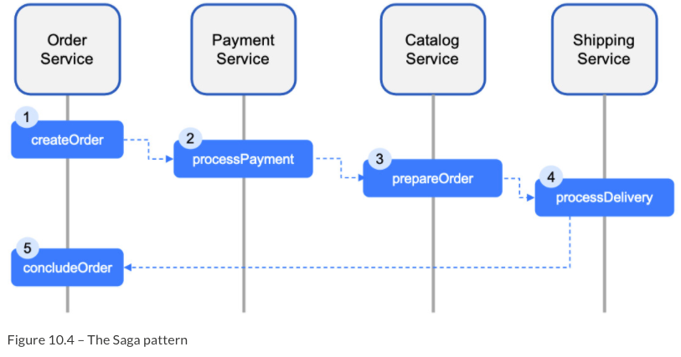

 |  | Command Query Responsibility Segregation
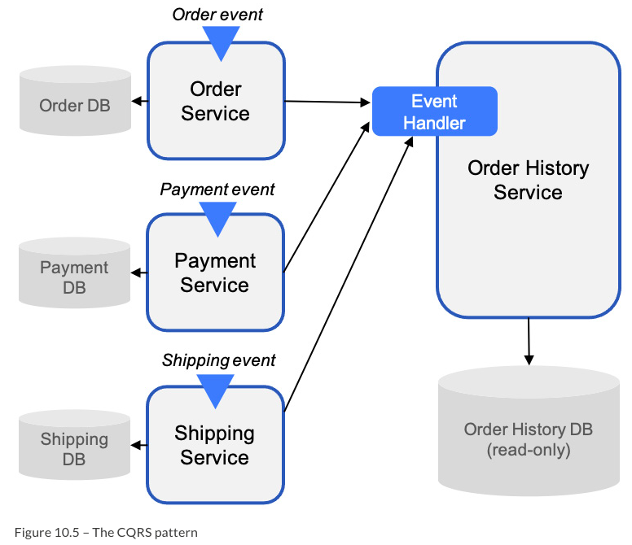

 |  | multiple read only replicas of the Order History DB
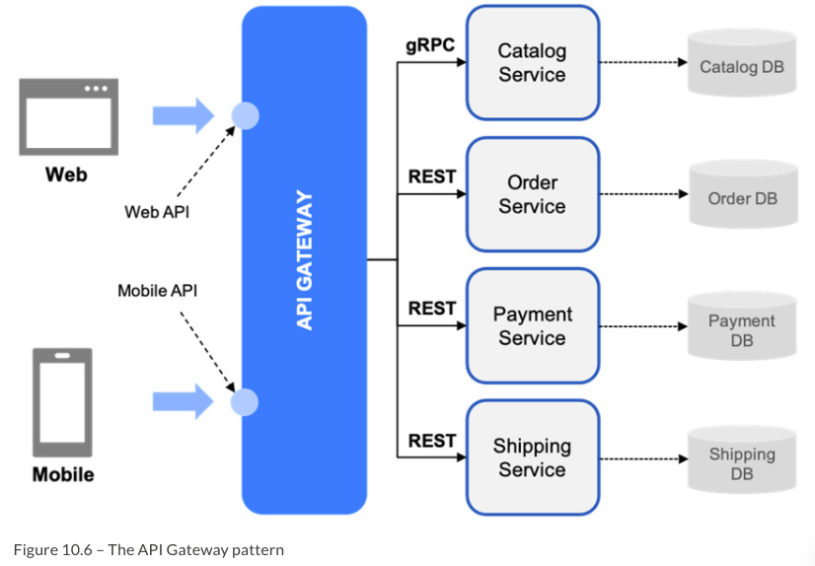

 |  | The API gateway typically exposes a different API for the web browser and mobile app,
 |  | each designed to best suit the device requirements and features.
 |  | “if your application cannot work at all without including an API gateway in its design,
 |  | you're probably doing something wrong.”

pbAGCSs3c10u4 | Building microservices with Kubernetes
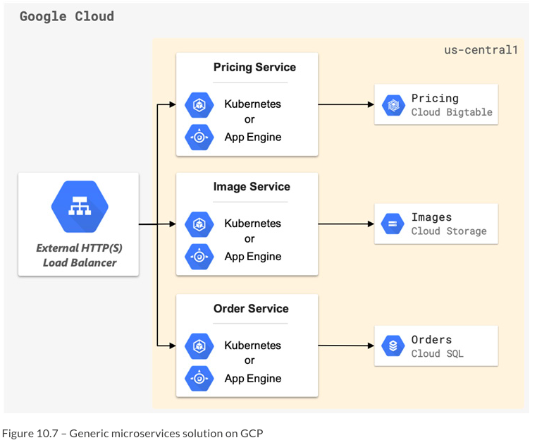

 |  | detailed notes for $ gcloud need follow up
 |  | further examples
 |  |  | https://github.com/GoogleCloudPlatform/microservices-demo
 |  | MEANWHILE MINIKUBE WITH TUNNEL RUN ON TOSHIBA AND MAC
 | Toshiba t1 | webdev>github.com>mstudham>agcsd>ch10>monolith
 |  | monolith $ minikube status
 |  | monolith $ kubectl apply -f manifests
 |  |  | deployment.apps/monolith created
 |  |  | service/monolith created
 |  | monolith $ kubectl get pods
 |  |  | wait till all running
 |  | monolith $ kubectl get services
 |  |  | monolith EXTERNAL-IP will remaining as <pending>
 | Toshiba t2 | ~ $ minikube tunnel
 | Toshiba t1 | monolith $ kubectl get services
 |  |  | wait till all running
 |  |  | monolith EXTERNAL-IP will shows as 10.109.164.235 PORT 80:32674/TCP
 | Toshiba t1 | monolith $ minikube service monolith
 |  |  | http://192.168.49.2:32674 | <URL is not as above!
 |  |  | opens browser
 | browser | 192.168.49.2:32674
 |  |  | Hello There!
 |  | 192.168.49.2:32674/orders
 |  |  | {“orders:[{“id”:”1”,”date”:”3/29/2019”,”cost”;9.99,”items:[“1]}] …
 |  | 192.168.49.2:32674/orders/1
 |  |  | [{“id”:”1”,”date”:”3/29/2019”,”cost”;9.99,”items:[“1]}]
 |  | 192.168.49.2:32674/products
 |  |  | {“products…
 | Toshiba t3 | webdev>github.com>mstudham>agcsd>ch10>microservices
 | Toshiba t3 | microservices $ kubectl apply -f src/frontend/manifests/
 | Toshiba t3 | microservices $ kubectl get pods
 |  |  | wait till frontend is running
 | Toshiba t3 | microservices $ kubectl get services
 | Toshiba t3 | microservices $ minikube service frontend
 | browser | 192.168.49.2:30040
 |  |  | Hello There!
 | Toshiba t3 | microservices $ kubectl apply -f src/products/manifests/
 | Toshiba t3 | microservices $ kubectl get pods
 |  |  | wait till products is running
 | Toshiba t3 | microservices $ kubectl get services
 | Toshiba t3 | microservices $ minikube service products
 | browser | 192.168.49.2:30668/products |  |  | note 30668/ = 404 not found
 |  |  | {“products…
 | Toshiba t3 | microservices $ kubectl apply -f src/orders/manifests/
 | Toshiba t3 | microservices $ kubectl get pods
 |  |  | wait till orders is running
 | Toshiba t3 | microservices $ kubectl get services
 |  |  | ...PORT(S) 80:31823/TCP
 | Toshiba t3 | microservices $ minikube service orders
 | browser | 192.168.49.2:31823/orders |  |  | note 31823/ = 404 not found
 |  |  | {“orders:[{“id”:”1”,”date”:”3/29/2019”,”cost”;9.99,”items:[“1]}] …

pbAGCSs3c10u5 | Designing and managing APIs for microservices
 |  | https://cloud.google.com/apis/design
 |  | includes reference to proto3
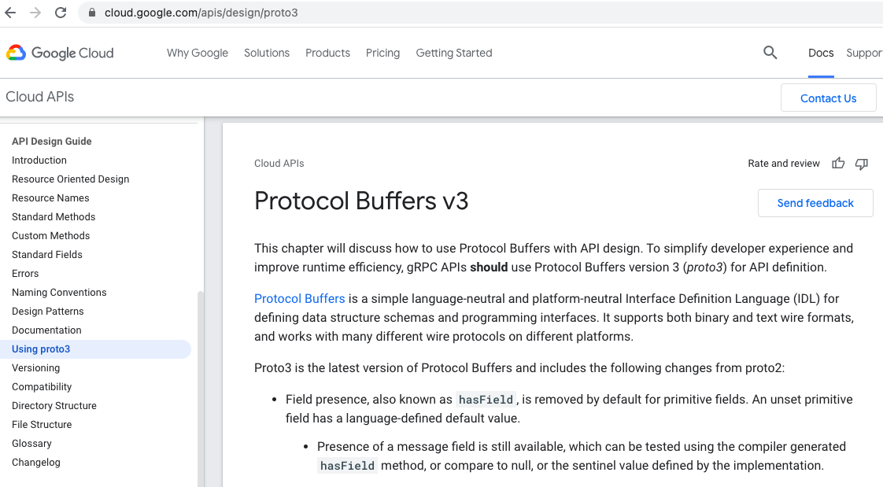

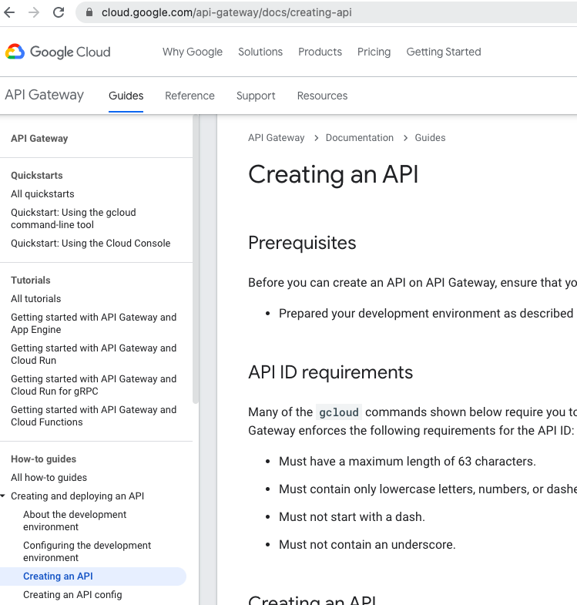

pbAGCSs3c10u6 | Testing your knowledge – microservices design case study
 |  | https://12factor.net/
pbAGCSs3c10u7 | Summary

